User Interface
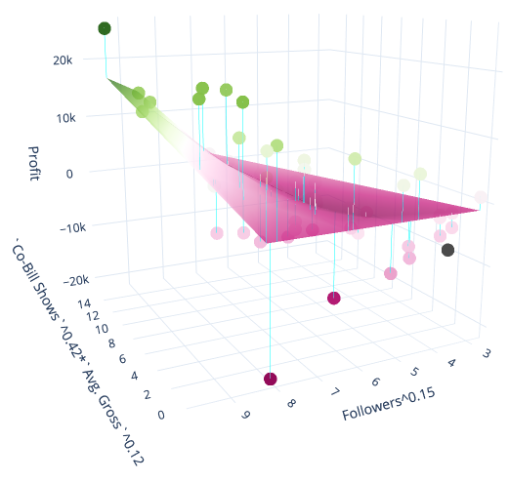
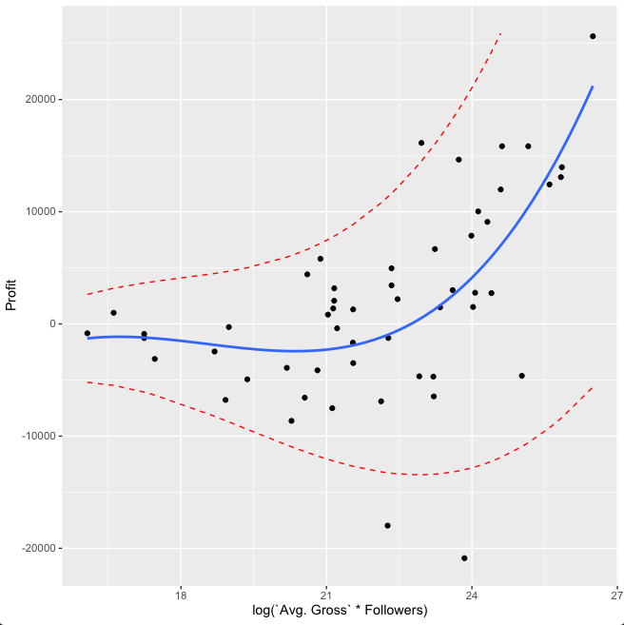
Band Name: | Clint Black |  |  | Sort Bands by:
Genre: | Country |  | x0 | ✰ Income 6 |  |  |  | Factors
Co-Bill Shows (PollStar) | 3 |  | x2 |  |  |  |  |  |  |  |  |  | Statistical Measures |  |  |  |  |  |  |  | Proper prediction interval | Recommended
Avg Gross (PollStar) | 93,024 |  | x5 | ✰ = "Best Model" |  |  |  | x₀ | x₂ | x₅ | x₇
Followers (Facebook) | 1,319,977 |  | x7 |  |  |  |  | Genre (PollStar) | Co-Bill Shows (PollStar) | Avg Gross (PollStar) | Followers (Facebook) |  | Standard Error of Prediction | Residual Standard Error | Mult. R^2 | Adj. R^2 | Pred. R^2 | F-Statistic | P-value | Degrees of Freedom

Model Name | Prediction Intervals
 | 99.7% | 95% | 68% | Estimate | 68% | 95% | 99.7% | Count | Range | Range | Range | y'
✰ Income 6 | $7,716 | $18,200 | $30,178 | $43,371 | $57,888 | $74,072 | $92,473 |  |  | 2.2k - 140k | 5.1k - 2.2mil | y^70% | 406.2 | 400.3 | 64.9% | 64.2% | 62.3% | 94.3 | 3.45E-13 | 51 | TRUE | TRUE
Income 8 | $9,613 | $22,291 | $34,456 | $46,496 | $59,146 | $73,390 | $90,636 | 3 |  | 2.2k - 140k | 5k-1.7mil | y^82% | 1,353 | 1362 | 69.4% | 66.2% | 57.5% | 21.3 | 4.50E-11 | 47 | TRUE | TRUE
Bar 7 | $9 | $172 | $716 | $1,844 | $3,781 | $6,815 | $11,351 |  | 0-23 |  | 3.5k - 2.4m | ∛y |  | 3.30 | 22.5% | 20.5% | 15.9% | 11.3 | 4.78E-05 | 78 | FALSE | TRUE
Bar 8 | $2 | $111 | $551 | $1,532 | $3,281 | $6,082 | $10,333 |  | 0-23 |  |  | ∛y | 3.31 | 3.33 | 19.7% | 18.7% | 15.1% | 19.4 | 3.25E-05 | 79 | TRUE | TRUE
Profit 6 | -$14,151 | -$6,675 | $363 | $7,192 | $14,020 | $21,058 | $28,534 |  | 0-23 | 2.2k - 140k | 5.1k - 2.2mil | y |  | $6,760 | 39.9% | 37.5% | 33.4% | 16.6 | 2.98E-06 | 50 | FALSE | TRUE
Profit 8 | -$22,726 | -$10,200 | $1,579 | $12,998 | $24,418 | $36,196 | $48,722 |  |  | 2.2k - 140k | 5.1k - 2.2mil | y | $11,303 |  | 40.4% | 36.7% | 33.5% | 11.1 | 1.18E-05 | 49 | FALSE | TRUE
✰ = "Best Model"
 |  |  |  |  |  |  |  | Graphs
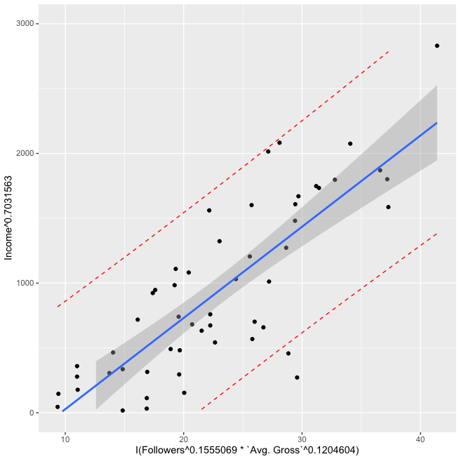
 |  |  |  |  |  |  |  | ✰ Income 6 |  |  |  |  |  | Income 8
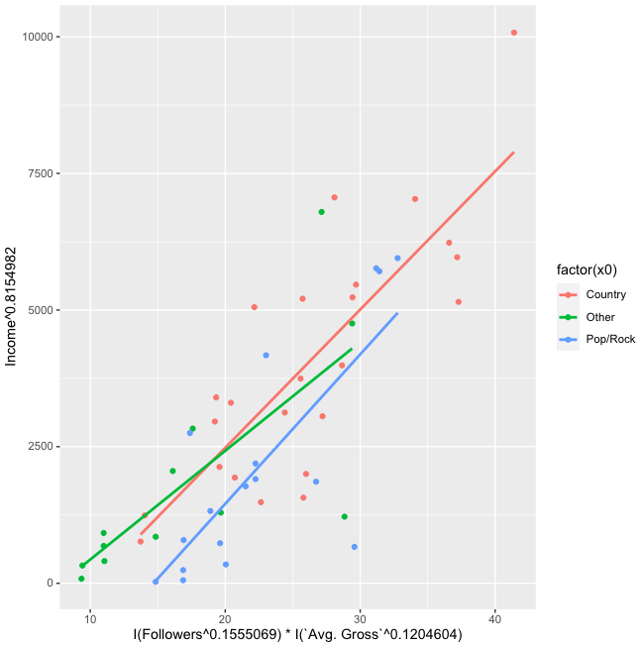

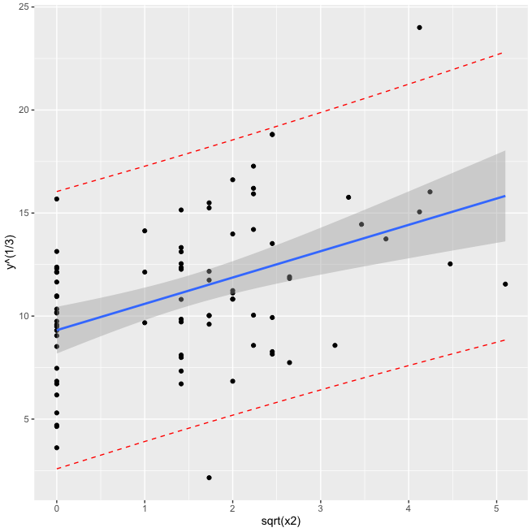
Facebook Followers |  |  |  |  |  |  |  | Bar 7 |  |  |  |  |  | Bar 8
as the only predictor variable
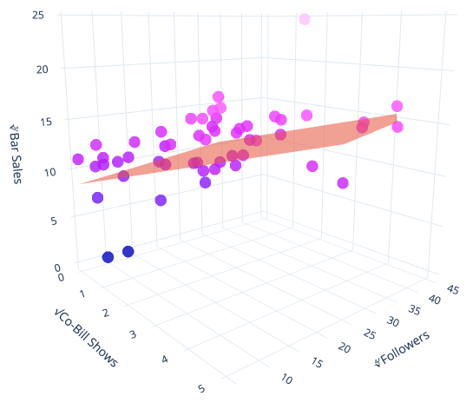

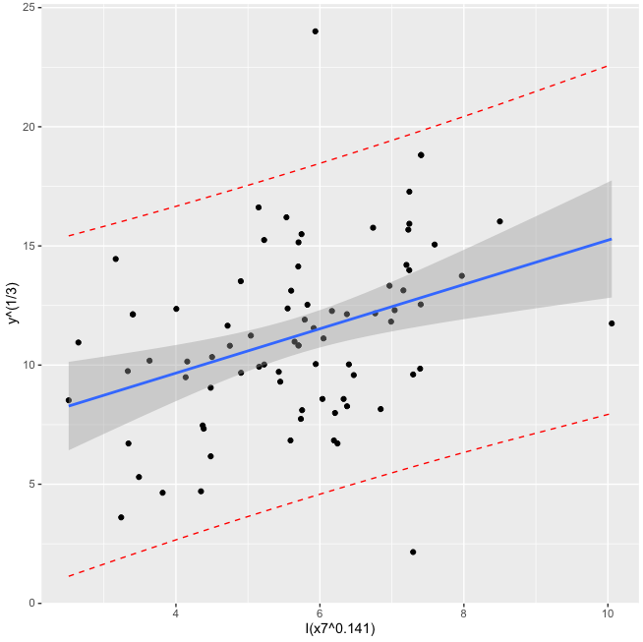
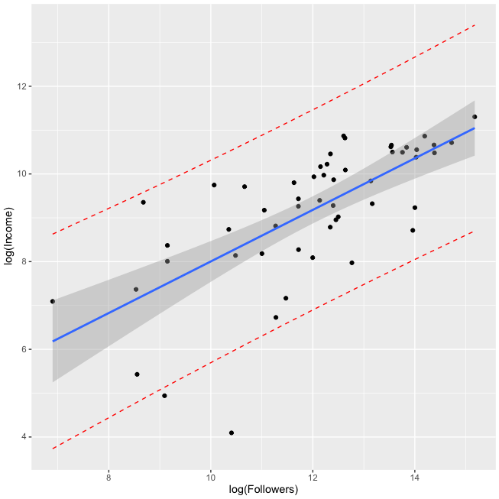
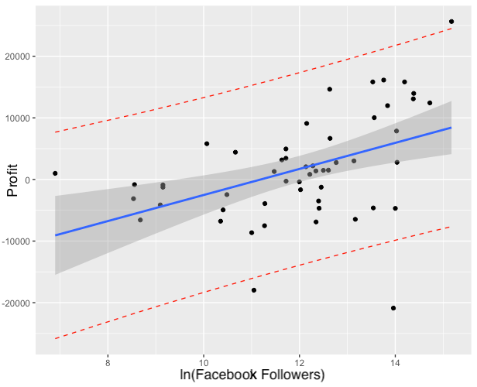

 |  |  |  |  |  |  |  | Profit 6 |  |  |  |  |  | Profit 8

Bar 1
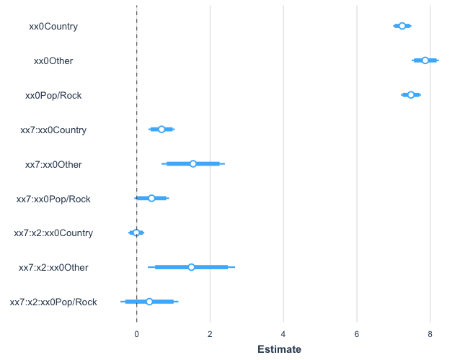
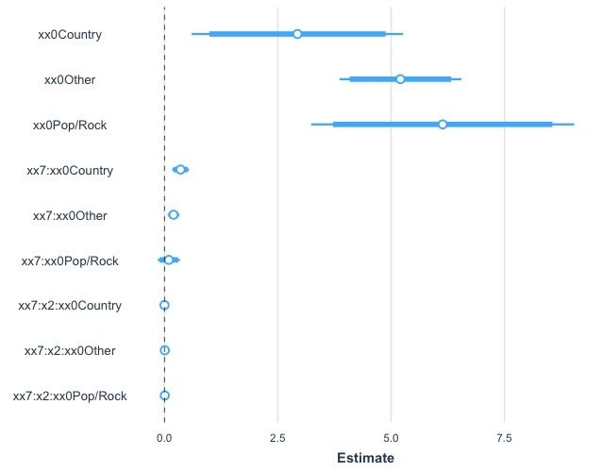
 | Country | Other | Pop/Rock | Coefficients | Variable | Term |  | DoF | 42
xx0 | 2.933 | 5.204 | 6.138 | 2.933 |  | 2.933 |  | Formula | lm(log(y)~xx7:x2:xx0+xx0:xx7 + xx0+0)
xx7 | 0.3537 | 0.1994 | 0.09488 | 0.3537 | 14.09312487 | 4.984575568
xx7:x2 | 0.0004189 | 0.006973 | 0.005848 | 0.0004189 | 42.27937461 | 0.01770948131
yy5 |  |  | 6.524 | 6.994 | 7.465 | 7.935 | 8.406 | 8.876 | 9.346
y5 |  |  | $681.35 | $1,090.59 | $1,745.63 | $2,794.12 | $4,472.37 | $7,158.63 | $11,458.34
 |  |  | 99.7% | 95% | 68% | 50% | 68% | 95% | 99.7%
 |  |  | 0.15% | 3% | 16% |  | 16% | 3% | 0.15%
 |  |  | 3.15 | 2.02 | 0.99 |  | 0.99 | 2.02 | 3.15

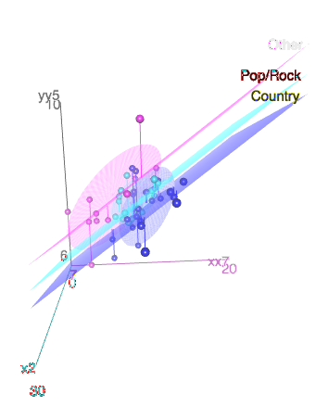
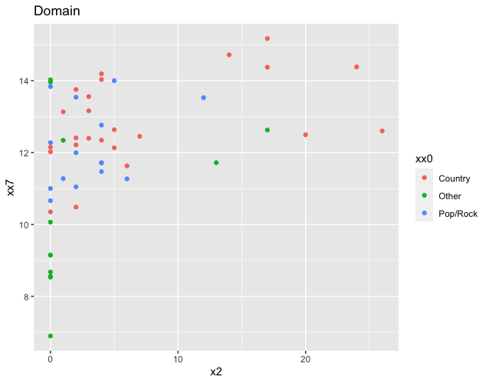

 |  |  |  | Country: |  | Other: |  | Pop/Rock:
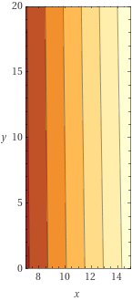
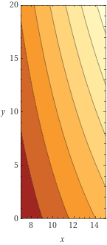
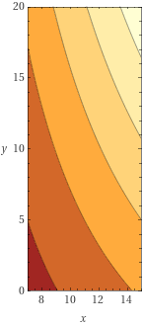

Country: |  |  |  | Other: |  |  |  | Pop/Rock:
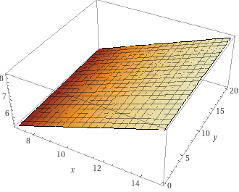
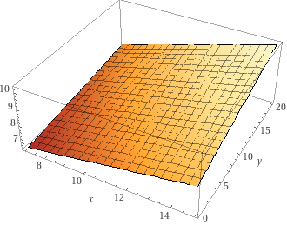
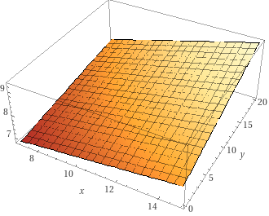

Standardized Coefficients: |  |  |  |  |  |  | Coefficieints:

Bar 6
 |  | Coefficients | Variable | Term |  |  |  | Measure | Value | R Code
intercept |  | 5.9452 | 1 | 5.9452 |  |  |  | MSE | 11.7106 | mean(bar6$residuals^2)
Followers' |  | 0.9296 | 7.294572706 | 6.781034787 |  |  |  | xˉ | 5.678793 | mean(x7^.141)
Expected Value |  |  |  | 12.73 |  |  |  | SSx | 3612.951 | sum((log(x7)-5.678793)^2)
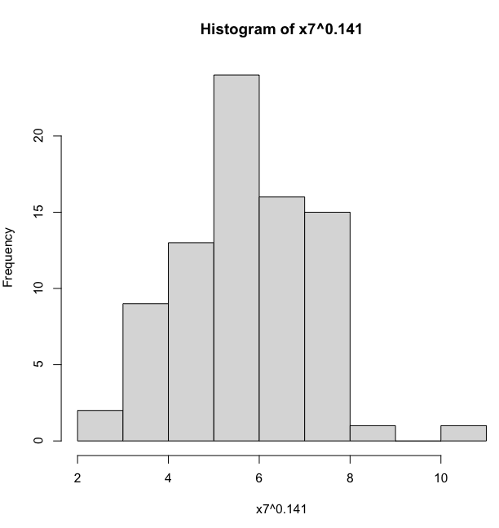
Empircal Rule | 99.7% | 95% | 68% | 50% | 68% | 95% | 99.7% | n | 81
t values | 3.097762919 | 2.032142123 | 1.006369298 |  | 1.006369298 | 2.032142123 | 3.097762919 | SE(P) | 3.444
 | 2.06 | 5.73 | 9.26 | 12.73 | 16.19 | 19.73 | 23.40 | y Transformation | ∛y
t distribuion | $9 | $188 | $794 | $2,061 | $4,246 | $7,675 | $12,806 | Residual Standard Error | 3.47
 |  |  |  |  |  |  |  | Mult. R^2 | 13.2%
 |  |  |  |  |  |  |  | Adj. R^2 | 12.1%
 |  |  |  |  |  |  |  | Pred. R^2 | 8.7%
 |  |  |  |  |  |  |  | F-Statistic | 12.0
 |  |  |  |  |  |  |  | P-value | 8.51E-04
 |  |  |  |  |  |  |  | Degrees of Freedom | 79

Bar 7
 | Pop/Rock | Coefficients | Variable | Term |  | DoF | 78
 |  | 8.08728 | 1 | 8.08728 |  | Formula | lm(formula = y^(1/3) ~ I(x7^0.25) + sqrt(x2))
∜x7 |  | 0.07108 | 33.89546459 | 2.409289623 |  | Residual standard error | 3.295
√x2 |  | 1.01949 | 1.732050808 | 1.765808478 |  | Y Transform | 3
 |  |  |  | 12.2623781
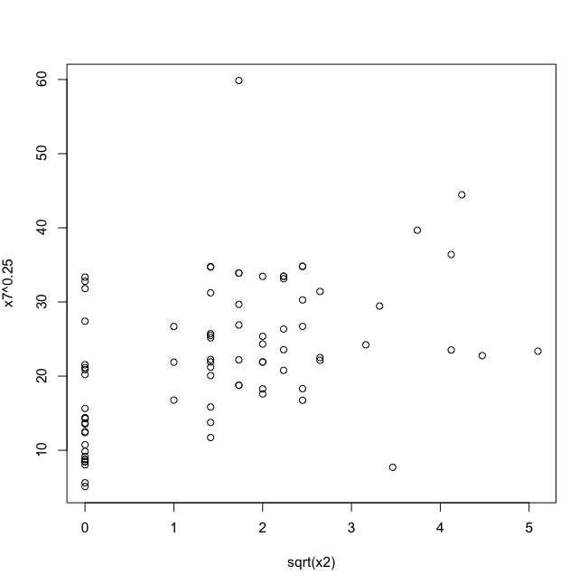
 | 99.7% | 95% | 68% | 50% | 68% | 95% | 99.7%
t values | 3.09905382 | 2.032560727 | 1.006451479 | 0.6776481236 | 1.006451479 | 2.032560727 | 3.09905382
 | 2.050995765 | 5.565090505 | 8.946120476 | 12.2623781 | 15.57863573 | 18.9596657 | 22.47376044
t distribution | $9 | $172 | $716 | $1,844 | $3,781 | $6,815 | $11,351
 | 2.377378101 | 5.672378101 | 8.967378101 | 12.2623781 | 15.5573781 | 18.8523781 | 22.1473781
normal distribution | $13 | $183 | $721 | $1,844 | $3,765 | $6,700 | $10,863

Bar8
 |  | Coefficients | Variable | Term |  |  |  |  | Measure | Value | R Code
 |  | 9.315 | 1 | 9.315 |  |  |  |  | MSE | 10.82965 | mean(bar8$residuals^2)
x2' |  | 1.278 | 1.732050808 | 2.213560932 |  |  |  |  | xˉ | 1.494277 | mean(sqrt(x2))
Expected Value |  |  |  | 11.52856093 |  |  |  |  | SSx | -59.82556 | sum(sqrt(x2)-mean(sqrt(x2))^2)
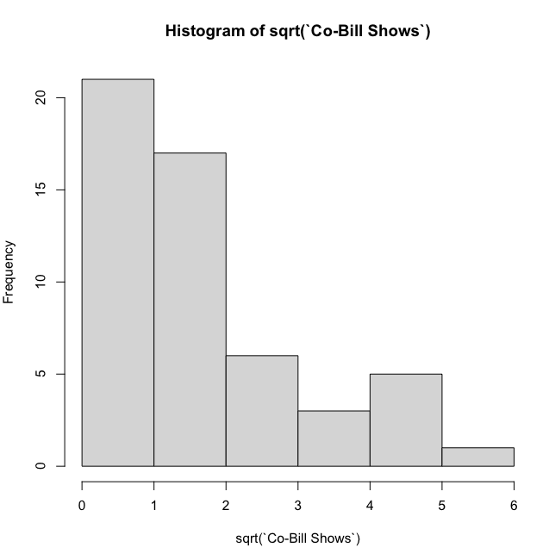
Empircal Rule | 99.7% | 95% | 68% | 50% | 68% | 95% | 99.7% |  | n | 81
t values | 3.097762919 | 2.032142123 | 1.006369298 |  | 1.006369298 | 2.032142123 | 3.097762919 |  | SE(P) | 3.310
 | 1.2763625 | 4.803086829 | 8.197932343 | 11.52856093 | 14.85918952 | 18.25403504 | 21.78075936 |  | y Transformation | ∛y
t distribuion | $2 | $111 | $551 | $1,532 | $3,281 | $6,082 | $10,333 |  | Residual Standard Error | 3.33
 | 1.53 | 4.86 | 8.20 | 11.52856093 | 14.86 | 18.19 | 21.52 |  | Mult. R^2 | 19.7%
 | $4 | $115 | $551 | $1,532 | $3,282 | $6,021 | $9,972 |  | Adj. R^2 | 18.7%
 |  |  |  |  |  |  |  |  | Pred. R^2 | 15.1%
 |  |  |  |  |  |  |  |  | F-Statistic | 19.4
 |  |  |  |  |  |  |  |  | P-value | 3.25E-05
 |  |  |  |  |  |  |  |  | Degrees of Freedom | 79
 |  |  |  |  |  |  |  |  | Y Transform | 3

 |  |  |  |  |  |  |  | Comment:
 |  |  |  |  |  |  |  | Somewhat heteroscedastic

Bar9
 |  | Coefficients | Variable | Term |  |  |  | Measure | Value | R Code
 |  | 5.4487 | 1 | 5.4487 |  |  |  | MSE | 12.1327 | mean(bar9$residuals^2)
x5' |  | 0.7887 | 9.244743585 | 7.291329266 |  |  |  | xˉ | 7.323293 | mean(I(x5^0.1944))
Expected Value |  |  |  | 12.74002927 |  |  |  | SSx | -3750.894 | sum(I(x5^0.1944)-mean(I(x5^0.1944))^2)
Empircal Rule | 99.7% | 95% | 68% | 50% | 68% | 95% | 99.7% | n | 81
t values | 3.097762919 | 2.032142123 | 1.006369298 |  | 1.006369298 | 2.032142123 | 3.097762919 | SE(P) | 3.503
 | 1.888771229 | 5.621570196 | 9.214784365 | 12.74002927 | 16.26527417 | 19.85848834 | 23.5912873 | y Transformation | ∛y
t distribuion | $7 | $178 | $782 | $2,068 | $4,303 | $7,831 | $13,130 | Residual Standard Error | 3.53
 | 2.16 | 5.69 | 9.21 | 12.74002927 | 16.27 | 19.79 | 23.32 | Mult. R^2 | 10.1%
normal distribution | $10 | $184 | $782 | $2,068 | $4,305 | $7,755 | $12,684 | Adj. R^2 | 8.9%
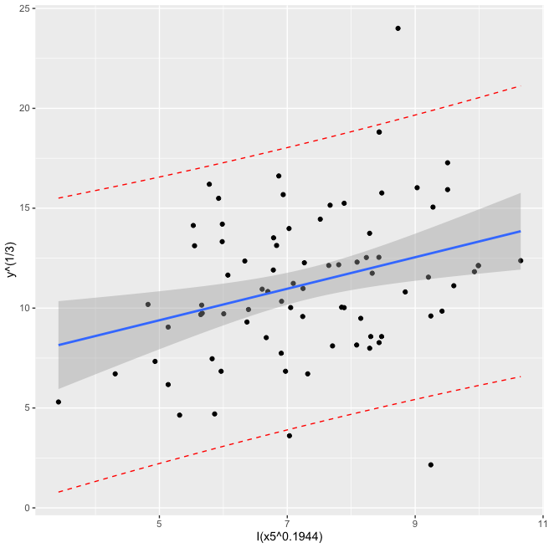
 |  |  |  |  |  |  |  | Pred. R^2 | 5.6%
 |  |  |  |  |  |  |  | F-Statistic | 8.9
 |  |  |  |  |  |  |  | P-value | 3.86E-03
 |  |  |  |  |  |  |  | Degrees of Freedom | 79
 |  |  |  |  |  |  |  | Y Transform | 3

 | 2.50% | 97.50%
(Intercept) | 1.5090958 | 9.388218
I(x5^0.1944) | 0.2613555 | 1.315953

Income 1
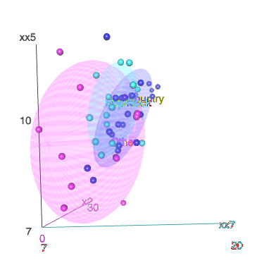
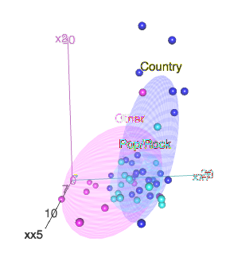
 | Country | Other | Pop/Rock | Coefficients | Variable | Term |  | Formula | lm(yy6 ~ xx0 + xx7 + x2 + xx0:xx5)
xx0 | 3.14 | -0.87 | -1.25 | 3.14 | 1 | 3.13816521 |  | Residual Standard Error: | 0.7449 | Domain:
xx5 | 0.202 | 0.590 | 0.566 | 0.202 | 11.4406128 | 2.31434405 |  | e^(RSE) | 211%
xx7 |  |  |  | 0.37 | 14.09312487 | 5.221335835 |  | DoF | 43
x2 |  |  |  | 0.00142 | 3 | 0.004245509386
yy6 |  |  | 8.443390605 | 9.188290605 | 9.933190605 | 10.6780906 | 11.4229906 | 12.1678906 | 12.9127906
y6 |  |  | $4,644.28 | $9,781.92 | $20,602.97 | $43,394.61 | $91,399.07 | $192,507.54 | $405,465.31
 |  |  | 99.7% | 95% | 68% | 50% | 68% | 95% | 99.7%
 |  |  | 0.0015 | 0.025 | 0.165 |  | 0.165 | 0.025 | 0.0015
 |  |  | 3.15 | 2.02 | 0.99 |  | 0.99 | 2.02 | 3.15

 |  |  |  |  |  |  |  | 2.5 % | 97.5 %
 |  |  |  |  |  |  | xx0Country | -0.45235938 | 6.7286898
 |  |  |  |  |  |  | xx0Other | -4.05218871 | 2.32194393
Coefficients: |  |  |  |  |  |  | xx0Pop/Rock | -6.14036208 | 3.63058907
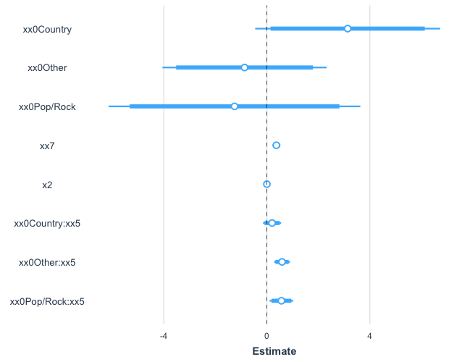
 |  |  |  |  |  |  | xx7 | 0.21362267 | 0.52735364
 |  |  |  |  |  |  | x2 | -0.03875308 | 0.04158342
 |  |  |  |  |  |  | xx0Country:xx5 | -0.15016094 | 0.55474487
 |  |  |  |  |  |  | xx0Other:xx5 | 0.27957594 | 0.9005393
 |  |  |  |  |  |  | xx0Pop/Rock:xx5 | 0.10360451 | 1.02753768

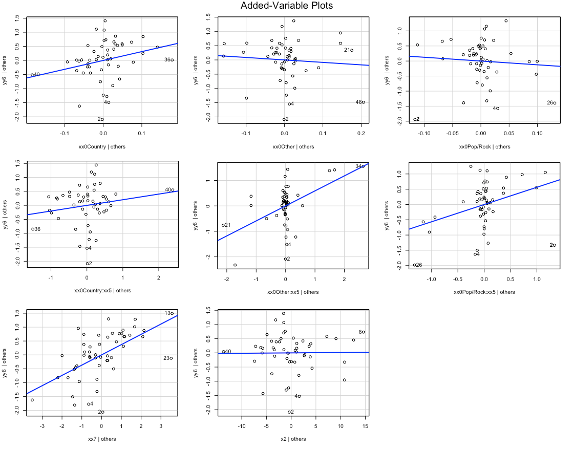

Standardized coefficients:
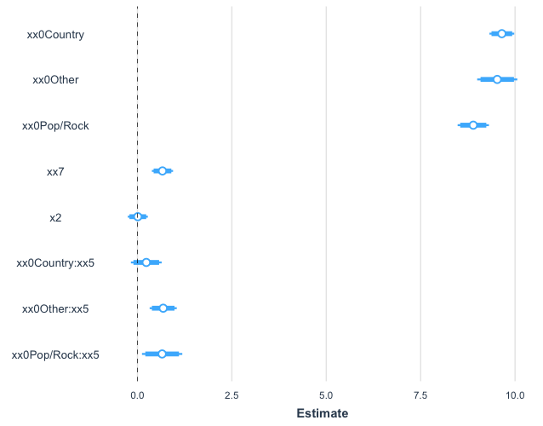

 |  | 2.5 % | 97.5 %
 | (Intercept) | -0.45 | 6.73
 | xx0Other | -8.50 | 0.49
 | xx0Pop/Rock | -10.14 | 1.35
 | xx7 | 0.21 | 0.53
 | x2 | -0.04 | 0.04
 | xx0Country:xx5 | -0.15 | 0.55
 | xx0Other:xx5 | 0.28 | 0.90
 | xx0Pop/Rock:xx5 | 0.10 | 1.03

Income 4
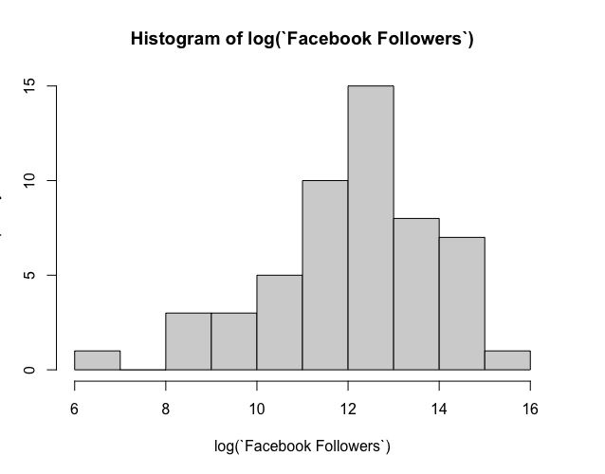
 |  | Coefficients | Variable | Term |  | Formula | lm(formula = log(Income) ~ log(Followers)) | Measure | Value | R Code
intercept |  | 2.1227 | 1 | 2.1227 |  | Quantiles | quantile(model2$residuals, c(0.003,0.05,0.33,0.5,0.67,0.95,0.997)) | MSE | 1.220858 | mean(income4$residuals^2)
log(x7) |  | 0.5881 | 14.09312487 | 8.288166736 |  |  |  | xˉ | 12.00329 | mean(log(x7))
Expected Value |  |  |  | 10.41 |  |  |  | SSx | 171.291 | sum((log(x7)-mean(log(x7)))^2)
Quantiles | -3.89562297 | -1.84617921 | -0.09719037 | 0.24810389 | 0.52071419 | 1.32303244 | 2.06124899 | n | 53
skewed/tranformed | 6.52 | 8.56 | 10.31 | 10.66 | 10.93 | 11.73 | 12.47 | SE(P) | 1.129
skewed distribution | $675.36 | $5,243.20 | $30,142.05 | $42,572.79 | $55,914.61 | $124,729.06 | $260,958.25 | y Transformation | ln(y)
Emprical Rule | 99.7% | 95% | 68% | 50% | 68% | 95% | 99.7% | Residual Standard Error | 308%
t values | 3.15392427 | 2.05021887 | 1.009900509 |  | 1.009900509 | 2.05021887 | 3.15392427 | Mult. R^2 | 47.8%
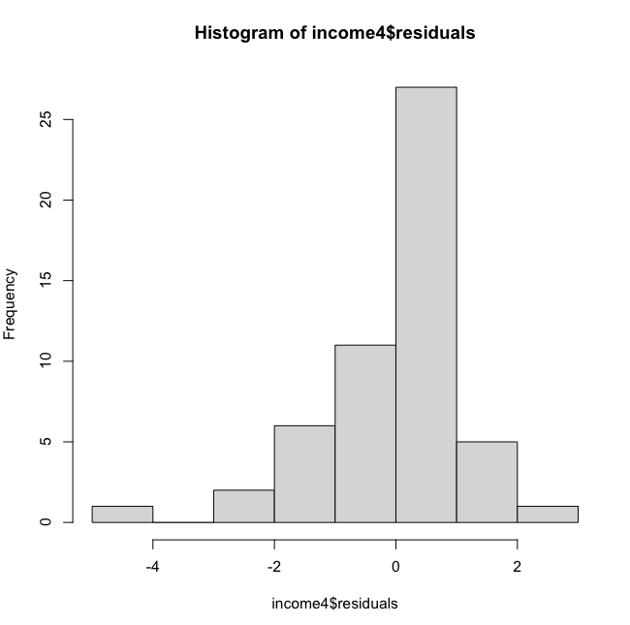
t distribution (transformed) | 6.85 | 8.10 | 9.27 | 10.41 | 11.55 | 12.73 | 13.97 | Adj. R^2 | 46.8%
t distribution | $943 | $3,281 | $10,620 | $33,219 | $103,903 | $336,351 | $1,169,607 | Pred. R^2 | 43.0%
 |  |  |  |  |  |  |  | F-Statistic | 46.7
 |  |  |  |  |  |  |  | P-value | 9.96E-09
 |  |  |  |  |  |  |  | Degrees of Freedom | 51

Income 6
 |  | Coefficients | Variable | Term |  | Formula | lm(formula = I(y6^0.6261172) ~ log(x5):I(x7^0.15)) | Measure | Value | R Code
 |  | -675.7 | 1 | -675.7 |  | Residual Standard Error: | 400.3 | MSE | 154157.1 | mean(income6$residuals^2)
(Followers^0.1555069)*(`Avg. Gross`^0.1204604) |  | 70.36 | 35.50661277 | 2498.2453 |  | y transformation | 1.422158914 | xˉ | 22.95497 | mean(temp_vector)
Expected Value | 621.625 | 1021.925 | 1422.225 | 1822.525 | 2222.825 | 2623.125 | 3023.425 | SSx | 3053.382 | sum((temp_vector-22.95497)^2)
Empiracl Rule | 99.7% | 95% | 68% | 50% | 68% | 95% | 99.7% | n | 53
t values | 3.154 | 2.050 | 1.010 |  | 1.010 | 2.050 | 3.154 | SE(P) | 406.2261524
tranformed prediciton interval | 541.319 | 989.673 | 1412.277 | 1822.525 | 2232.773 | 2655.378 | 3103.732 | y Transformation | y^70%
Prediciton Interval | $7,716 | $18,200 | $30,178 | $43,371 | $57,888 | $74,072 | $92,473 | Residual Standard Error | 400.3
 |  |  |  |  |  |  |  | Mult. R^2 | 64.9%
 |  |  |  |  |  |  |  | Adj. R^2 | 64.2%
 |  |  |  |  |  |  |  | Pred. R^2 | 62.3%
 |  |  |  |  |  |  |  | F-Statistic | 94.3
 |  |  |  |  |  |  |  | P-value | 3.45E-13
 |  |  |  |  |  |  |  | Degrees of Freedom | 51
 |  |  |  |  |  |  |  | Transformation | 1.422158914
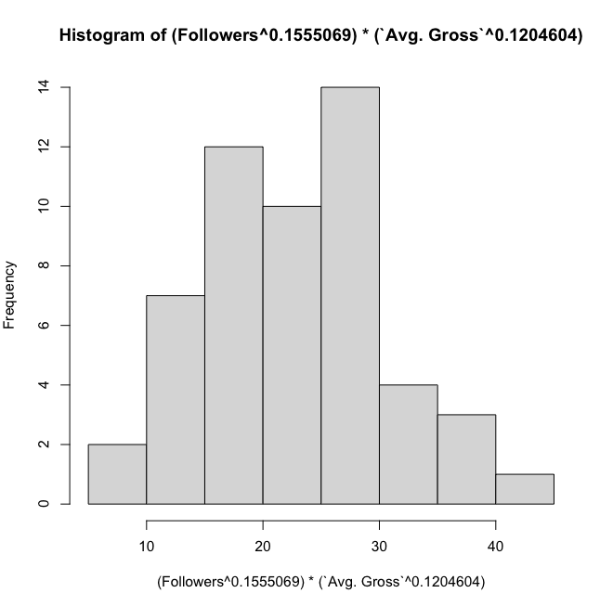
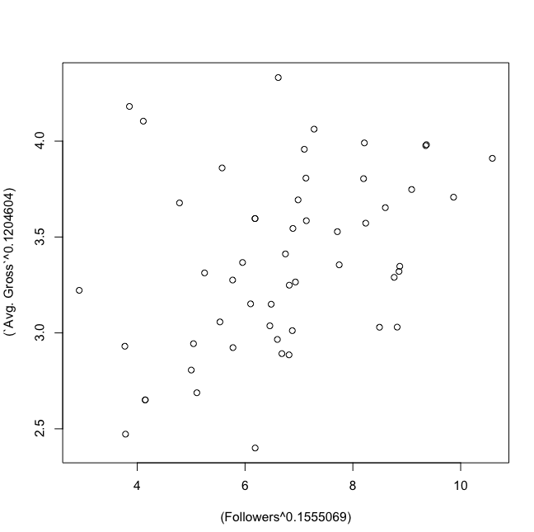
Model: |  |  |  |  |  |  | Domain:

Income 8
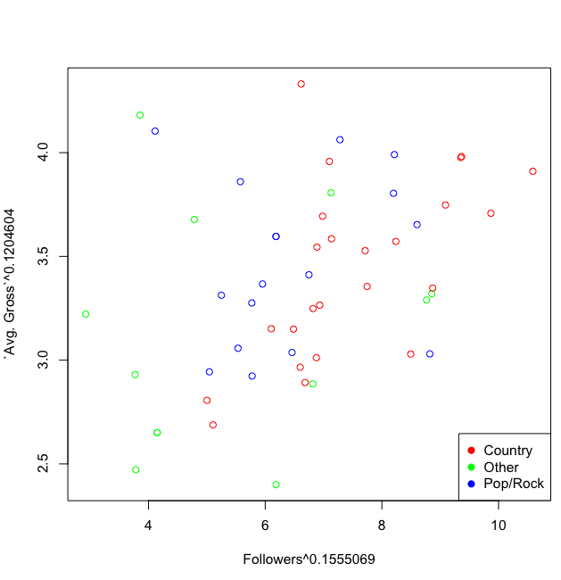
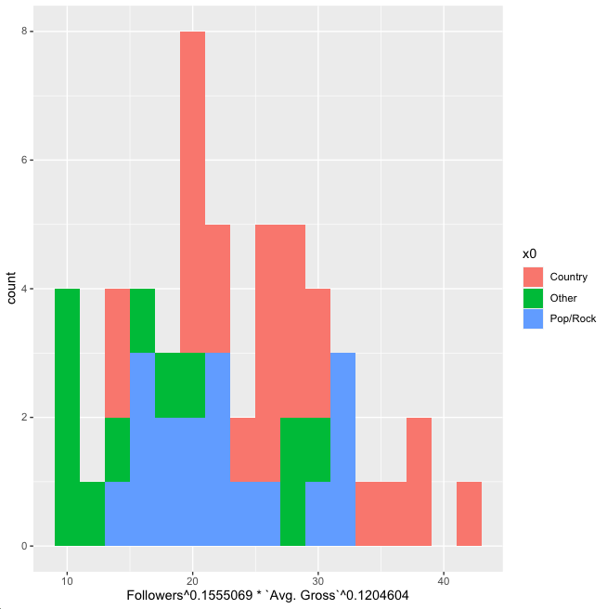
 | Country | Other | Pop/Rock | Coefficients | Variable | Term |  |  |  | Measure | Value | Country | Other | Pop/Rock | R Code
 | -2580.10 | -1555.14 | -4015.23 | -2580.10 | 1 | -2580.1000 |  |  |  | MSE | 1645861 |  |  |  | mean(income8$residuals^2)
(Followers^0.1555069)*(`Avg. Gross`^0.1204604) | 252.950 | 199.010 | 273.460 | 252.950 | 35.50661277 | 8981.3977 |  |  |  | xˉ | 26.20709 | 26.20709 | 17.11897 | 22.48327 | print(temp_mean)
Expected Value |  |  |  |  |  | 6401.298 |  |  |  | SSx | 1217.505 | 1217.505 | 633.1423 | 536.4147 | sum((temp_vector-temp_mean)^2)
 |  |  | 99.7% | 95% | 68% | 50% | 68% | 95% | 99.7% | n | 24 | 24 | 12 | 17 | nrow(temp_vector)
t values |  |  | 3.422 | 2.133 | 1.026 |  | 1.026 | 2.133 | 3.422 | SE(P) | 1353.27248 |  |  |  | temp_vector <- log(df[x0=="Country",11])*df[x0=="Country",12]^0.15
t distribution |  |  | 1770.195 | 3514.733 | 5013.337 | 6401.298 | 7789.258 | 9287.862 | 11032.401 | y Transformation | y^82% |  |  |  | temp_mean <- sum(temp_vector)/nrow(temp_vector)
t distribution |  |  | $9,613 | $22,291 | $34,456 | $46,496 | $59,146 | $73,390 | $90,636 | Residual Standard Error | 1362
normal distribution |  |  | 2,315.30 | 3,677.30 | 5,039.30 | 6,401.30 | 7,763.30 | 9,125.30 | 10,487.30 | Mult. R^2 | 0.694
normal distribution |  |  | $13,361 | $23,562 | $34,674 | $46,496 | $58,904 | $71,817 | $85,176 | Adj. R^2 | 0.6615
 |  |  |  |  |  |  |  |  |  | Pred. R^2
 |  |  |  |  |  |  |  |  |  | F-Statistic | 21.3
 |  |  |  |  |  |  |  |  |  | P-value | 4.50E-11
 |  |  |  |  |  |  |  |  |  | Degrees of Freedom | 47
 |  |  |  |  |  |  |  |  |  | Formula | lm(formula = Income^0.8154982 ~ I(Followers^0.1555069):I(`Avg. Gross`^0.1204604):x0)
 |  |  |  |  |  |  |  |  |  | y transformation | 1.226244276

Profit 1
 |  | Coefficients | Variable | Term |  |  |  | Measure | Value | R Code
intercept |  | -23677.4 | 1 | -23677.4 |  |  |  | MSE | 57254327 | mean(profit1$residuals^2)
xx7 |  | 2115.6 | 14.09312487 | 29815.41498 |  |  |  | xˉ | 12.00329 | mean(log(x7))
Expected Value |  |  |  | $6,138.01 |  |  |  | SSx | 171.291 | sum((log(x7)-mean(log(x7)))^2)
Emperical rule | 99.7% | 95% | 68% | 50% | 68% | 95% | 99.7% | n | 53
t value | 3.189 | 2.061 | 1.012 |  | 1.012 | 2.061 | 3.189 | SE(P) | $7,732.68
Prediction Intervals | -$18,520 | -$9,801 | -$1,688 | $6,138 | $13,964 | $22,077 | $30,796 | y Transformation | y
Normal dist | -$17,004 | -$9,290 | -$1,576 | $6,138 | $13,852 | $21,566 | $29,280 | Residual Standard Error | $7,714
 |  |  |  |  |  |  |  | Mult. R^2 | 20.2%
 |  |  |  |  |  |  |  | Adj. R^2 | 18.6%
 | Formula | lm(y7 ~ xx7) |  |  |  |  |  | Pred. R^2 | 12.5%
 |  |  |  |  |  |  |  | F-Statistic | 12.9
 |  |  |  |  |  |  |  | P-value | 5.89E-06
 |  |  |  |  |  |  |  | Degrees of Freedom | 42

 | > confint(lm(y7~xx7))
 |  | 2.50% | 97.50%
 | (Intercept) | -38038.2278 | -9316.484
 | xx7 | 932.3439 | 3298.773

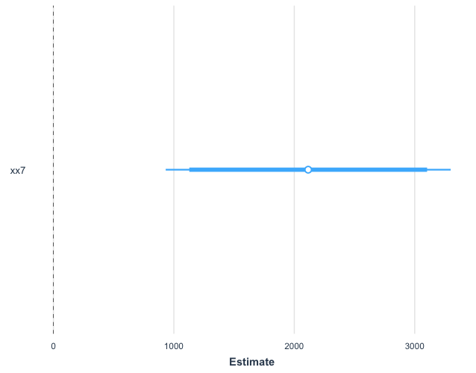
Model Coefficient (xx7):

Profit 2
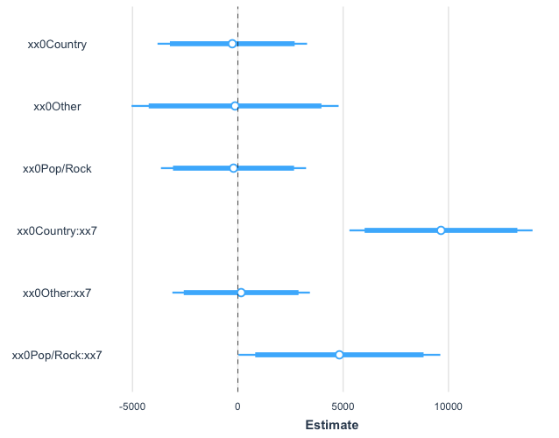
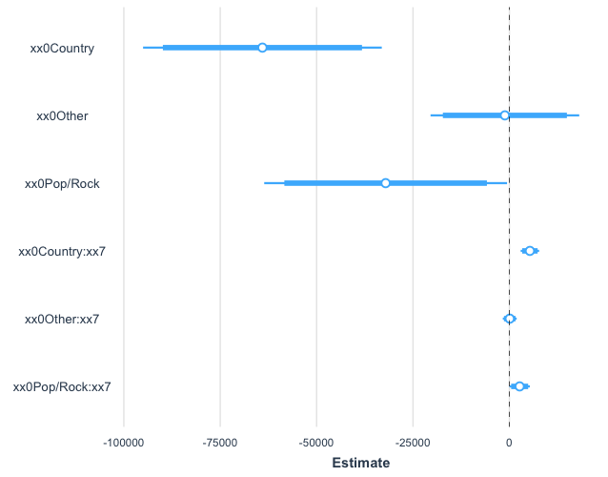
 | Country | Other | Pop/Rock | Coefficients | Variable | Term |  |  |  | Measure | Value | Country | Other | Pop/Rock | R Code
xx0 | -64054.9 | -1173.3 | -32100.3 | -64054.9 | 1 | -64054.9 |  |  |  | MSE | 43684422 |  |  |  | mean(profit2$residuals^2)
xx7 | 5314.6 | 86.9 | 2657.3 | 5314.6 | 14.09312487 | 74898.66385 |  |  |  | xˉ | 12.86861 | 12.86861 | 10.47563 | 11.86 | print(temp_mean)
Expected Value |  |  |  |  |  | $10,843.78 |  |  |  | SSx | 34.75322 | 34.75322 | 61.60196 | 28.61086 | sum((temp_vector-temp_mean)^2)
Emperical Rule |  |  | 99.7% | 95% | 68% | 50% | 68% | 95% | 99.7% | n | 24 | 24 | 12 | 17 | nrow(temp_vector)
t values |  |  | 3.475471043 | 2.148849388 | 1.02856007 |  | 1.02856007 | 2.148849388 | 3.475471043 | SE(P) | 6883.994621 |  |  |  | temp_vector <- log(df[x0=="Country",12])
t prediction intervals |  |  | -$13,081 | -$3,949 | $3,763 | $10,844 | $17,924 | $25,636 | $34,769 | y Transformation | y |  |  |  | temp_mean <- sum(temp_vector)/nrow(temp_vector)
n prediction intervals |  |  | -$10,213 | -$3,194 | $3,825 | $10,844 | $17,863 | $24,882 | $31,901 | Residual Standard Error | $7,019
 |  |  |  |  |  |  |  |  |  | Mult. R^2 | 39.1%
 |  |  |  |  |  |  |  |  |  | Adj. R^2 | 32.6%
 |  |  |  |  |  |  |  |  |  | Pred. R^2 | 12.8%
 |  |  |  |  |  |  |  |  |  | F-Statistic | 6.0
Formula | lm(y7 ~ xx0 + xx7:xx0 + 0) |  |  |  |  |  |  |  |  | P-value | 2.17E-04
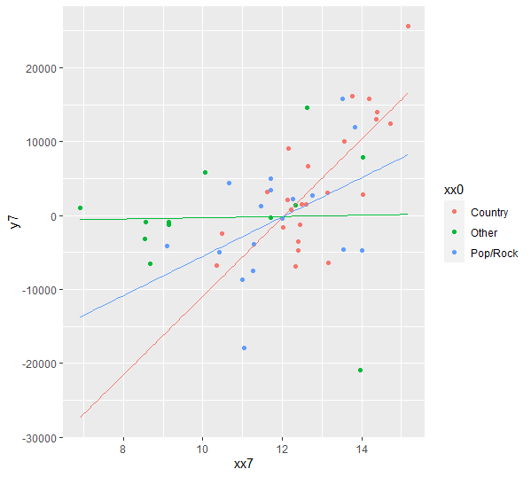
 |  |  |  |  |  |  |  |  |  | Degrees of Freedom | 47
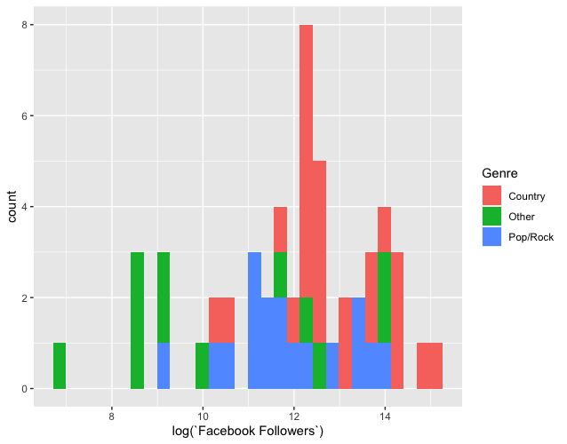

Model Coefficients (Standardized): |  |  |  |  |  |  | Model Coefficients:

Profit 3
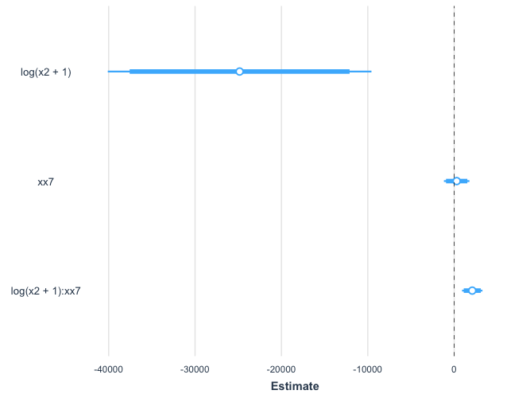
 |  | Coefficients | Variable | Term |  |  |  | Measure | Value
Intercept |  | -4210.2 | X | -4210.2 |  |  |  | y Transformation | y
xx7 |  | 289.6 | 14.09312487 | 4081.115286 |  |  |  | Residual Standard Error | $6,945
log(x2+1) |  | -24839.3 | 1.386294361 | -34434.51637 |  |  |  | Mult. R^2 | 39.1%
log(x2+1):xx7 |  | 2093.3 | 19.53721954 | 40896.53878 |  |  |  | Adj. R^2 | 35.2%
expected value |  |  |  | $6,332.90 |  |  |  | Pred. R^2 | 27.1%
Emprical Rule | 99.7% | 95% | 68% | 50% | 68% | 95% | 99.7% | F-Statistic | 10.0
t value | 3.168 | 2.055 | 1.011 | 0.680 | 1.011 | 2.055 | 3.168 | P-value | 3.17E-05
approximate t distribution | -$15,666.65 | -$7,936.34 | -$686.77 | $6,332.90 | $13,352.57 | $20,602.14 | $28,332.45 | Degrees of Freedom | 47
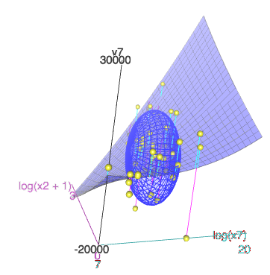
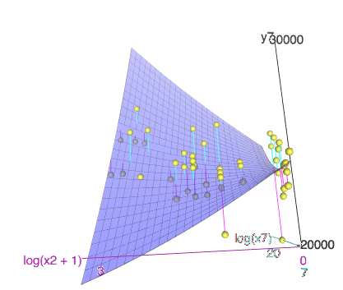
normal distribution | -$14,502.10 | -$7,557.10 | -$612.10 | $6,332.90 | $13,277.90 | $20,222.90 | $27,167.90 | Formula | lm(y7 ~ log(x2+1)*xx7)

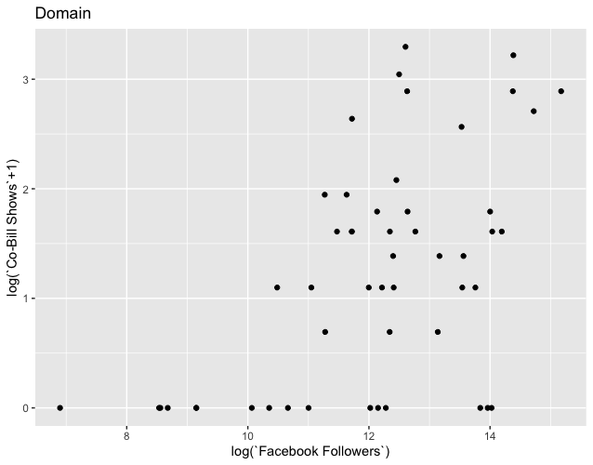

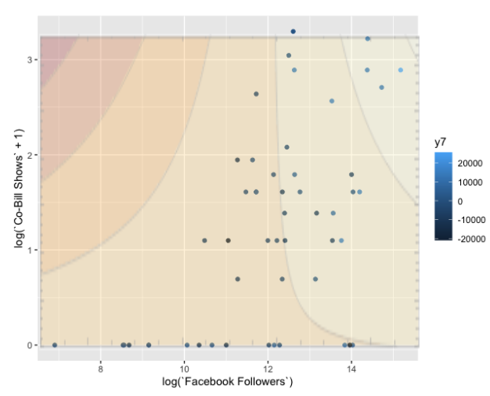

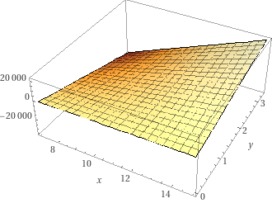

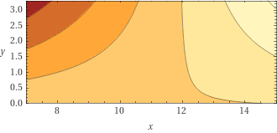

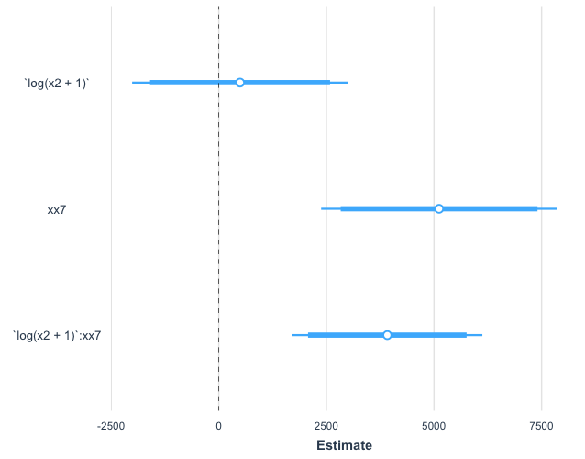
Model Coefficients (Standardized): |  |  |  |  |  |  | Model Coefficients:

Profit 8
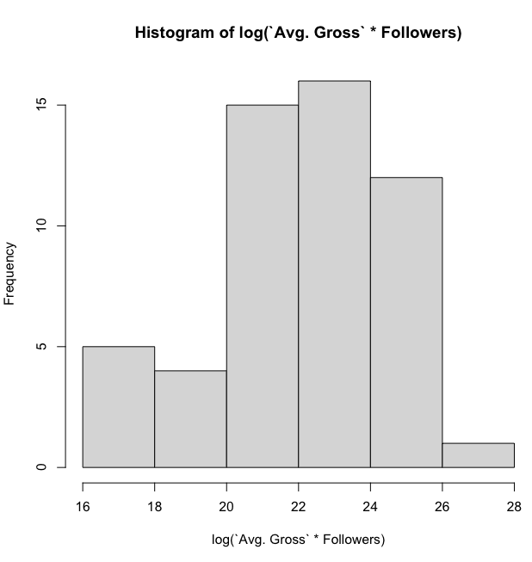
 |  | Coefficients | Variable | Term |  |  |  | Measure | Value | R Code
 |  | -336916.45 | 1 | -336916 |  |  |  | MSE | 4.353312 | mean(res7.3$residuals^2)
ln(x5*x7) |  | 55290.53 | 25.53373767 | 1411774 |  |  |  | xˉ | 22.02583 | mean(log(x5*x7))
ln(x5*x7)^2 |  | -3010.83 | 651.9717596 | -1962976 |  |  |  | SSx | 3.26E+02 | sum((log(x5*x7)-mean(log(x5*x7)))^2)
ln(x5*x7)^3 |  | 54.13 | 16647.27588 | 901117 |  |  |  | n | 53 | 53
Expected Value |  |  |  | $12,998 |  |  |  | SE(P)' | 2.14474576
Empirical Rule | 99.7% | 95% | 68% | 50% | 68% | 95% | 99.7% | SE(P) | $11,303
t values | 3.160509144 | 2.052320546 | 1.010308735 |  | 1.010308735 | 2.052320546 | 3.160509144 | y Transformation | y
t distribution | -$22,726 | -$10,200 | $1,579 | $12,998 | $24,418 | $36,196 | $48,722 | Residual Standard Error
 |  |  |  |  |  |  |  | Mult. R^2 | 40.4%
 |  |  |  |  |  |  |  | Adj. R^2 | 36.7%
 |  |  |  |  |  |  |  | Pred. R^2 | 33.5%
 |  |  |  |  |  |  |  | F-Statistic | 11.1
 |  |  |  |  |  |  |  | P-value | 1.18E-05
 |  |  |  |  |  |  |  | Degrees of Freedom | 49 | lm(formula = (Profit - new_df$fit)/exp(3.8563 + 0.1846 * log(`Avg. Gross` * Followers)) ~ 1)
 |  |  |  |  |  |  |  | Formula | lm(Profit ~ log(`Avg. Gross` * Followers) + I(log(`Avg. Gross` * Followers)^2) + I(log(`Avg. Gross` * Followers)^3))
 |  |  |  |  |  |  |  | y transformation | 1
 |  |  |  |  |  |  |  | Residual Transformation | y/exp(0.185*x+3.86)

